Readme
About me….
I develop and teach how to use data in software development and operations teams for coaching or forecasting.
- Forecasting using Data workshop. Teach how to use these spreadsheets with practical hands-on examples based on your (and my) specific examples. Often run internally, sometimes publically.
- Data Driven Coaching workshop. Teach how to develop data driven approaches to improvement based on balancing multiple competing metrics. Often run internally, sometimes publically.
- Custom Dashboards or giving advice on your current dashboards. Take the next step in customizing our spreadsheets or deploying more advanced versions in Tableau or Power BI.
- Quantitative consulting or advice - give me a chance to answer something you need to know. I'll work with your teams in designing a prediction system or delivering a compelling visual demonstrting the issues.
Interested in chatting? Email me at troy.magennis@focusedobjective.com
Interested in stalking? Follow me on twitter @t_magennis
(best way to hear about new and improved spreadsheets like this)
What is this: This spreadsheet helps identify the allocation of experiments/epics/MVPs compared to a target.
Ideas, errors, requests? Email: troy.magennis@focusedobjective.com
Work licensed under a Creative Commons Attribution-NonCommercial-ShareAlike 4.0 International License.
Get more tools like this from: http://bit.ly/SimResources
About us: Focused Objective LLC offers tools, training and expert advice on metrics, risk and forecasting. We have more advanced tools to model Agile teams and projects that help analyze staffing options and risk, and a proven track record of positive results. We are always happy to discuss next steps and training opportunities should this tool prove useful. See our website: http://www.focusedobjective.com or email me at troy.magennis@focusedobjective.com.

Want to learn how this works and how to use it? Read my "In-progress" book on Medium - Forecasting using Data

https://medium.com/forecasting-using-data

Charts
Experiment/Epic/MVP Reason Allocation
 | Strategy for Far Future Growth (1+ years) | Strategy for Near Term Growth (This year) | Close Specific Sale (remove objector) | Narrow Competitor Feature Gap | Fix something Broken (defects) | Technical Debt Maintenance
* Target Percentage | 20% | 40% | 10% | 10% | 10% | 10%
Primary + Secondary Why | 19% | 25% | 13% | 19% | 19% | 6%
Primary Why | 8% | 33% | 0% | 25% | 25% | 8%
Secondary Why | 50% | 0% | 50% | 0% | 0% | 0%
Experiment/Epic/MVPs In-Progress by week
 | in-progress (last day of week) | limit
1/5/2019 | 1 | 3
1/12/2019 | 2 | 3
1/19/2019 | 2 | 3
1/26/2019 | 2 | 3
2/2/2019 | 1 | 3
2/9/2019 | 0 | 3
2/16/2019 | 0 | 3
2/23/2019 | 0 | 3
Experiment/Epic/MVP Cycle time (days)
 | Cycle time (days)
2/1/2019 | 31
2/7/2019 | 23
 | 0
 | 0
 | 0
 | 0
1/17/2019 | 7
 | 0
 | 0
 | 0
 | 0
 | 0
 | Strategy for Far Future Growth (1+ years) | Strategy for Near Term Growth (This year) | Close Specific Sale (remove objector) | Narrow Competitor Feature Gap | Fix something Broken (defects) | Technical Debt Maintenance
Primary Why | 8% | 33% | 0% | 25% | 25% | 8%

* Set the target percentage for each why reason in the Setup and Targets worksheet.

 | Decisions: | Decisions:
 | What do we invest more in? | Are we doing too many experiments at once?
 | What do we invest less in? | Are we doing too few experiments at once?

Feedback Status: Lessons & Actions Allocation
 | As expected, let's (do more) | As expected, but enough of this | Wow. Un-expected, let's try ... instead (do less)
Target | 34% | 33% | 33%
Actual | 0% | 100% | 0%
 | Awaiting Feedback Age (days)
2/1/2019 | 14
2/7/2019 | 68
 | 0
 | 0
 | 0
 | 0
1/17/2019 | 89
 | 0
 | 0
 | 0
 | 0
 | 0

Decisions:
Are we being surprised enough to be learning? (Are there enough Wow epiphanies?)
Are we choosing to increase or decrease investment based on these experiments?

Scenarios
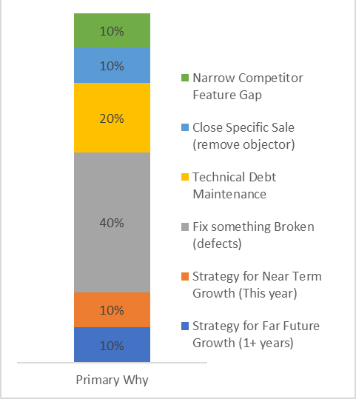
Tech debt and defects -
A | Fix something Broken (defects)
B | Fix something Broken (defects)
C | Fix something Broken (defects)
D | Strategy for Far Future Growth (1+ years)
E | Technical Debt Maintenance
F | Technical Debt Maintenance
G | Close Specific Sale (remove objector)
H | Narrow Competitor Feature Gap
I | Fix something Broken (defects)
J | Strategy for Near Term Growth (This year)

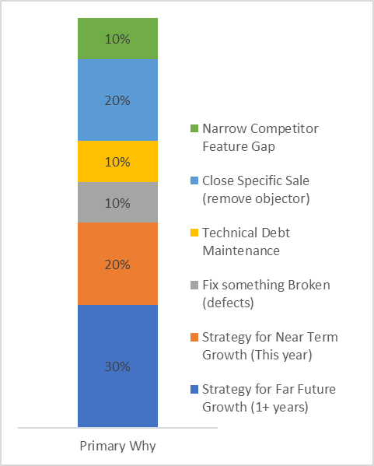
Startup running its own market
A | Fix something Broken (defects)
B | Strategy for Far Future Growth (1+ years)
C | Strategy for Far Future Growth (1+ years)
D | Strategy for Far Future Growth (1+ years)
E | Strategy for Near Term Growth (This year)
F | Technical Debt Maintenance
G | Close Specific Sale (remove objector)
H | Narrow Competitor Feature Gap
I | Close Specific Sale (remove objector)
J | Strategy for Near Term Growth (This year)

Default

A | Strategy for Near Term Growth (This year) | Strategy for Far Future Growth (1+ years) | 2019-01-01 | 2019-02-01 | 2019-02-15 | As expected, but enough of this
B | Fix something Broken (defects) | Close Specific Sale (remove objector) | 2019-01-15 | 2019-02-07
C | Fix something Broken (defects) | Close Specific Sale (remove objector)
D | Strategy for Near Term Growth (This year)
E | Strategy for Near Term Growth (This year)
F | Strategy for Far Future Growth (1+ years)
G | Technical Debt Maintenance |  | 2019-01-10 | 2019-01-17
H | Narrow Competitor Feature Gap
I | Narrow Competitor Feature Gap
J | Narrow Competitor Feature Gap | Strategy for Far Future Growth (1+ years)
K | Strategy for Near Term Growth (This year)
L | Fix something Broken (defects)

